Repo-Test
Respository tests
get object of repository
testcase 1 :
testcase 2 :
testcase 3 :
Springboot RESTAPI

RestController1
requestHandlermethod1()...
requestHandlermethod2()...
requestHandlermethod3()...
Ser
add()..
get()..
.....
Repo(i)
gets all CRUD methods

Test
Test
Test

 | Repository layer testing using Junit

Step 1 | make sure application is ready with all functionalities
 |  | copied 4.1 demo

Step 2 | make sure spring boot test dependency added in pom

Step 3 | Create a test file under test package
 |  | and inject dependency

Step 4 | setup() / clean()
 | @BeforeEach
 | @AfterEach

 | make sure required objects are created with proper data before each test case

 | make sure objects are getting null after each test case
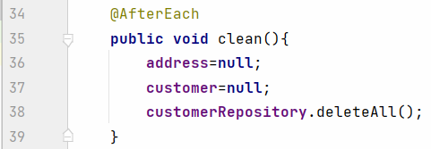

 |  |  | 5

 | test addrecord
 |  | customerRepo.insert(customer)

Step 5 | Write test case methods

service-test
 | while testing CustomerRepository

 | Dependent is 'CustomerRepository'
 | Dependency is 'MongoRepository'

 | If both Dependent and Dependency in programmers controll, then only mocker environment can be created for test
MongoRepository
Springboot RESTAPI

RestController1
requestHandlermethod1()...
requestHandlermethod2()...
requestHandlermethod3()...
Ser
add()..
get()..
.....
Ser
add()..
get()..
.....
Repo(i)
gets all CRUD methods
 |  |  |  |  |  |  |  |  | Orginal Database should not do any changes in the database
MongoRepository is not in our control

Test
 |  |  |  |  |  |  |  | I don't want do this | findById()--> database -> go delete by specific id
 |  |  |  |  |  |  |  | operations

 |  |  |  |  |  |  | DummyObject |  | mock methods
 |  |  |  |  |  |  |  | Stunt Person | junit -->assert methods
 | While testing service layer |  |  |  |  |  | Using mockito framework |  | cs.addcustomer(customer)--> cr.save(customer)--DB

 | Dependency is CustomerRepository |  |  |  |  |  |  |  | Address = new Address(1,"Xx")
 | Dependent is ServiceImpl class

 | When both are in programmers control, mocked setup can be created

 | Mocked environment

 | ServiceImpl class needs CustomerRepository

 | By making mocked object of CustomerRepository
 |  | we can make customerRepository to stop the actual work and performs our customized task

 |  | ex.
 |  | CustomerRepository.findById(id)
 |  |  | actual process of this method : finding record in db based on received id

 |  | But, mocked object of CustomerRepository.findById(id)
 |  |  | skips actual process
 |  |  | by skipping, performs customezed task

MongoRepository
Springboot RESTAPI

RestController1
requestHandlermethod1()...
requestHandlermethod2()...
requestHandlermethod3()...
Ser
add()..
get()..
.....
Repo(i)
gets all CRUD methods
MongoRepository is not in our control

MongoDb

Test
Service
Testclass
@InjectMocks
@Mock
ServiceImpl object
methods()
addCustomer()
Mocked object of CustomerRepository
save()
insert()
findById(id)
actual process
is skipped

return same object

custom process
not found

 | @Mock |  |  |  |  | @InjectMocks
 | To be used to create dependency object |  |  |  |  | To be used to create dependent object
 | CustomerRepository |  |  |  |  | so, dependent object can use mocked object of dependency
 |  |  |  |  |  | CustomerServiceImpl
 | example1
 |  | if service layer addCustomer() to be tested with positive result

 |  |  |  | -->repo.findById() |  | record not found
 |  |  |  | -->repo.insert() |  | return object back
 |  |  | service.addCustomer()
 | example2
 |  | if service layer addCustomer() to be tested with -ve result

 |  |  | service.addCustomer()
 |  |  |  | -->repo.findById() |  | record found

 | Steps to write test cases for service layer using mockito

1 | Make sure sprintboot application working with all layers

2 | Create test class with required annonation
 |  | @ExtendWith(MockitoExtension.class)

3 | Create @Mock and @InjectMocks objects as required
 |  | and other objects
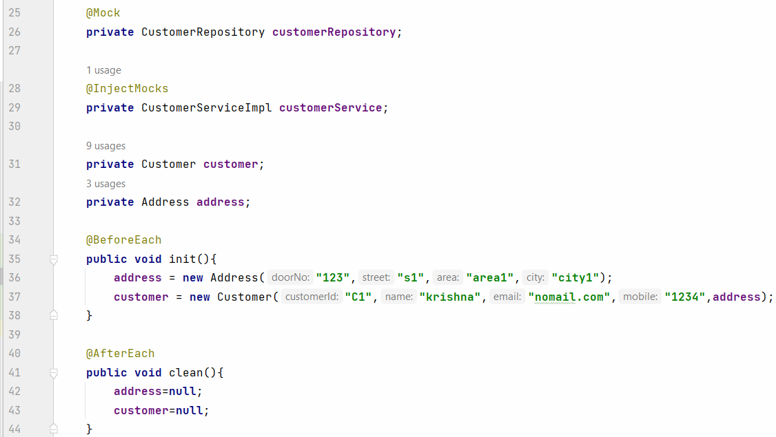

4 | write test case

 | when
 | used to return particular result when a particular method called

 |  |  |  |  |  |  |  |  |  | //of(customer)

 |  |  |  |  | Y |  |  |  | z
 |  |  |  |  | service |  |  |  | repo

 |  |  |  |  | addCustomer()
 |  |  |  |  | {

 | boss |  |  |  | check whether same id existing or not
 |  |  |  |  |  | by using repo.findById().
 | findById(); | 1
 | findAll(); | 0
 |  |  |  |  |  | findAll()
 |  |  |  |  |  | filter by id
 |  |  |  |  |  | count 0
 |  |  |  |  | }

Controllertest
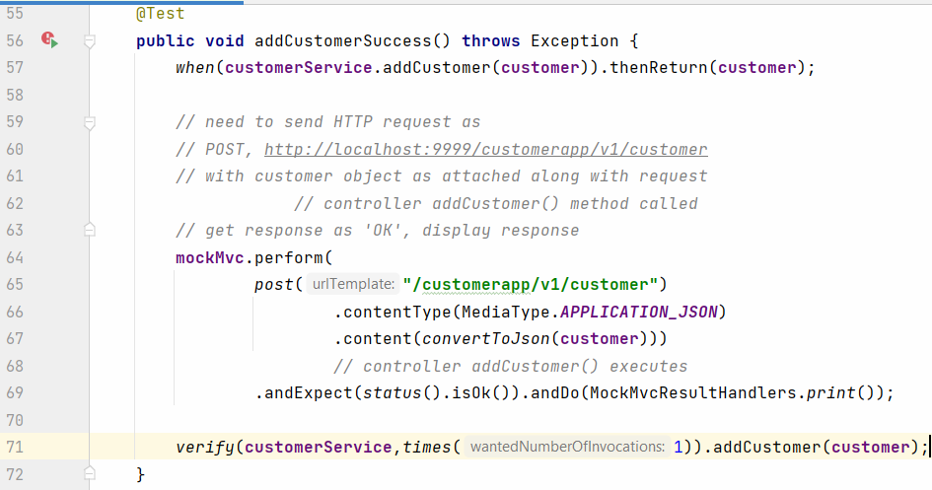
 | If both Dependent and Dependency in programmers controll, then only mocker environment can be created for test
MongoRepository
Springboot RESTAPI

RestController1
requestHandlermethod1()...
requestHandlermethod2()...
requestHandlermethod3()...
Ser
add()..
get()..
.....
Ser
add()..
get()..
.....
Repo(i)
gets all CRUD methods
MongoRepository is not in our control
MockMvc
is going to call
request handler
methods

Test

 |  |  |  |  |  | When running spring integration tests and using mockMvc, it can often be useful to see the output of the call
 | Mocikto |  |  |  |  | in the console to help with debugging. This can be done by adding MockMvcResultsHandlers.print()

 | creating mocked environment for dependency layer
 | so, dependent layer can work with mocked dependency layer without effecting original resources

 | Controller -> Service |  |  |  |  |  | ObjectMapper provides functionality for reading and writing JSON, either to and from basic POJOs (Plain Old Java Objects),
 |  |  |  |  |  |  | to and from a general-purpose JSON Tree Model ( JsonNode ), as well as related
 | Dependent |  | Dependency |  |  |  | orfunctionality for performing conversions.
 | @InjectMocks |  | @Mock

 | Are controller request handling methods same as service methods or repo methods ?
 |  | No
 |  | service methods / repo methods
 |  |  | return type method name ( arg list )
 |  |  | here, methods can be called as normal method

 |  | ex
 |  | customerService.addCustomer(customer);
 |  | customerRepository.findAll();

 | But, controller methods execute based on URL request
 | these request handler methods are not executed as usual

 | Are we calling controller method as this?
 | customerController.addCustomer();
 |  | No

 | The below request handler methods execute when repective URL request reached to controller
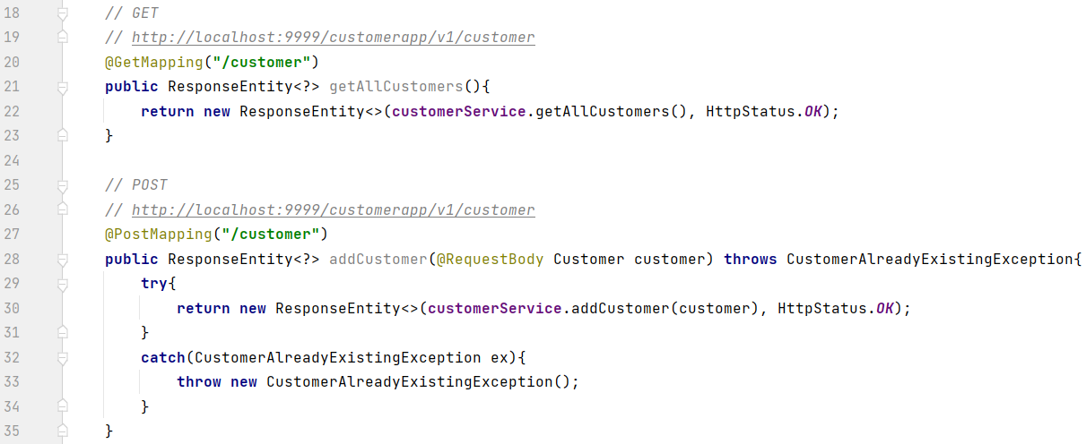

 |  |  |  |  |  |  | MockMvc
 | FE application / Postman

 | http://localhost:9999/customerapp/v1/customer |  |  | CustomerController
 | GET |  |  | getAllCustomers()

 | http://localhost:9999/customerapp/v1/customer |  |  | CustomerController
 | POST |  |  | addCustomer()
type of request
attach data

Controller
Service
 |  |  |  |  |  |  |  |  |  | Individual

Postman
Client app / FE app
URL request
Req han methods
service methods
 |  |  |  |  |  |  |  | NO we are connectiving

Response
Testclass
 |  |  |  |  |  |  |  |  | Address
 |  |  |  |  |  |  |  |  | Customer
data+status
exception
MockMvc object
create mocked HTTP request of particular type ( with data)
@InjectMocks
Controller controller
@Mock
Service service
URL request

Response

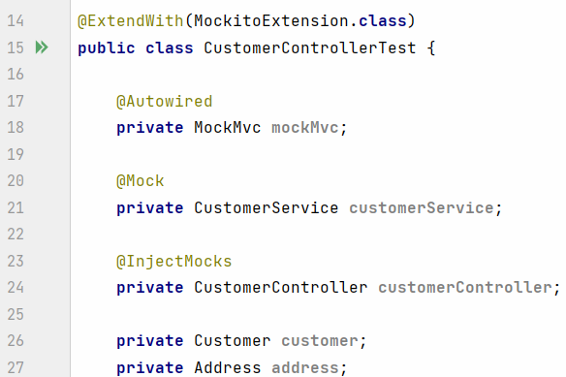
Step 1 | Create Test class with proper annotation
 |  | create @Mock Service object
 |  | create @IntectMocks Controller object
 |  | create autowired MockMvc object
 |  | create Customer, Address objects

Step 2 | Define setup and clean method

 |  |  |  |  |  |  | The MockMvcBuilders. standaloneSetup allows to register one or more controllers without the need to use the full WebApplicationContext

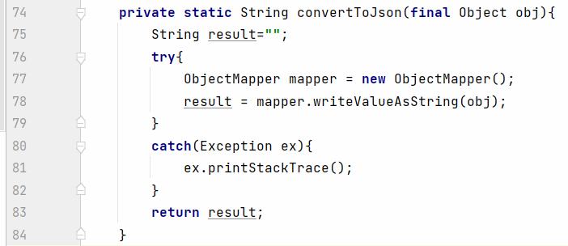
Step 3 | write test case method
 |  |  |  | converting javaobject to json

 |  |  |  |  | customer(100,"xx",address,445)
 |  |  |  |  | object

Jwt
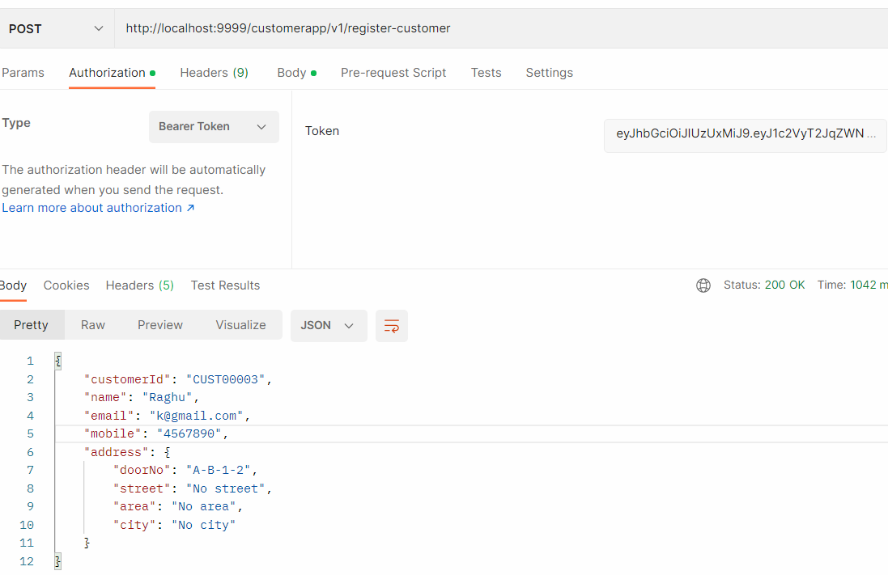
app1
authenticate(manual logic)
if success:generate token and return
token generator to be defined
will login
 |  |  |  |  |  |  | s1 | user tries to login
 |  |  |  |  |  |  |  | with id+pwd
jwt token
will try to access rosource of app2
app2
allows user to access resouces by checking token
 |  |  |  |  |  |  | s2 | gets token (auth is success)

token not req. for accessing non intercepted URL resource
 |  |  |  |  |  |  | s3 | user tries to access
 |  |  |  |  |  |  |  | app2 resources
 |  |  |  |  |  |  |  | by adding token
token
filter to be defined to verify token
token req. for accessing intercepted URL resource
 |  |  |  |  |  |  | s4 | app2 checks token
 |  |  |  |  |  |  |  | and gives reponse

 | Authentication
 |  | checking user details before entering to premises
 |  | id+pwd / smart card / biometric / otp / URL click / .. . .

 | Authorization
 |  | after login,
 |  | allowing / not allowing to access particular resources as per user ROLE

 |  |  |  |  | gmail

 |  | FE1 |  |  | BE-auth
 |  |  |  |  | BE-inbox
 |  |  |  |  | BE-sent | ACID
 |  |  |  |  | BE-profile
 |  |  |  |  | BE-drive

BE Authentication
REST Controller
Service
Repository
MySQL
DB : wave31db
Table : user
 | Demo
 |  |  |  |  |  |  |  |  |  | auth
Application 1 |  | Authentication
 |  | SpringBoot BE
 |  |  | --singup-->
User
 |  |  | --login--> |  |  |  |  |  |  | inbox
postman
BE CustomerApp
REST Controller
Service
Repository
 |  |  | --addcust-->
 |  |  | --getcust-->
Application 2 |  | CustomerApplication |  |  |  |  |  |  |  | sent
filter
Mongo
db : mydb
col : customer
 |  | SpringBoot BE

Customer, Address
 |  |  |  |  |  |  |  |  |  | profile
 | intercepted |  | addCustomer
 | non intercepted |  | getAllCustomers
 |  |  |  |  |  |  |  |  |  | drafts

What Application1 has to do |  |  |  |  |  |  |  |  |  | drive
 | new user can signup/register
 | existing user signin/login

 | jwt token to be returned as response if login authentication is success

What Application2 has to do
 | request to be filterd for jwt if request comes for intercepted url, then provide the resource

 |  |  |  |  |  | Item
 |  |  |  |  |  | id | name | category
 |  |  |  |  |  | 1 | book | stationay | no. p 100
 |  |  |  |  |  | 2 | eraser | stationay | dim 2cm
 |  |  |  |  |  | 3 | mobile | elec | ram,flash,ss,…

Steps to make Application 1 (authentcation)

1 | create new spring boot application
 |  | web
 |  | jpa
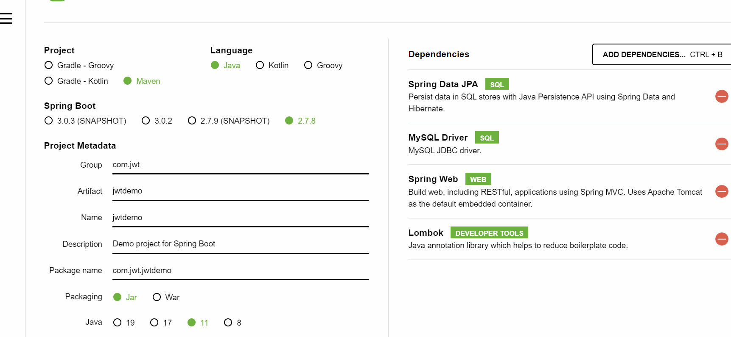
 |  | mysql | lombok

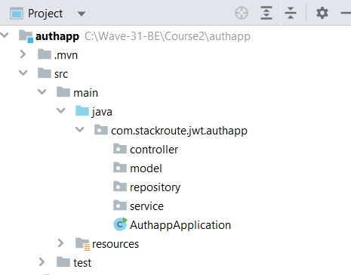
 | download application, extract to workspace and open in intellij
 | create required packages

2 | create user model class
 |  | *userid | int | autogen
 |  | username | string
 |  | emailid | string
 |  | password | string
 |  | role | string |  | ROLE_USER
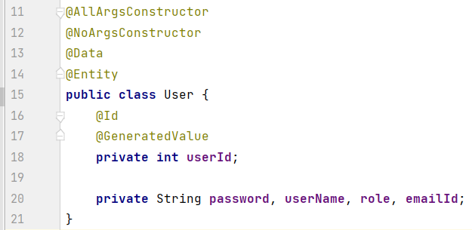

3 | create User repository

4 | create service layer

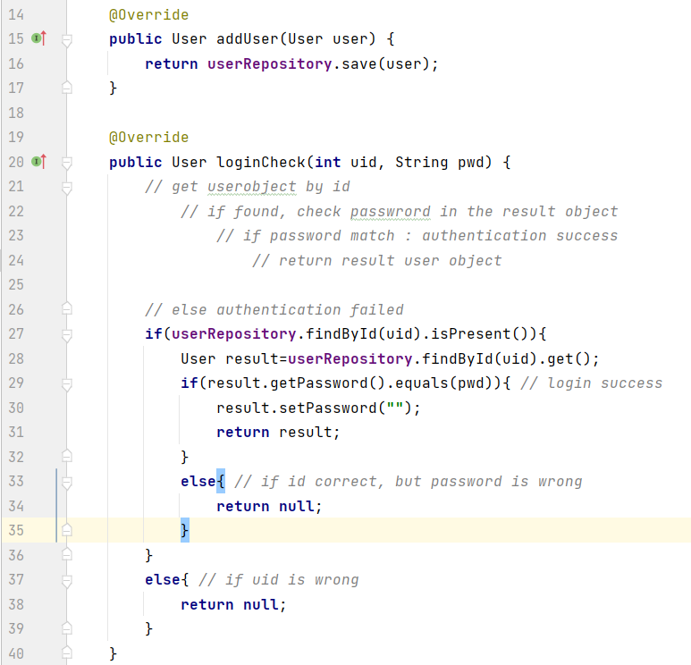

5 | create controller
 | define request handler metods for two tasks
 |  | register/signup for new user
 |  | logincheck for existing user
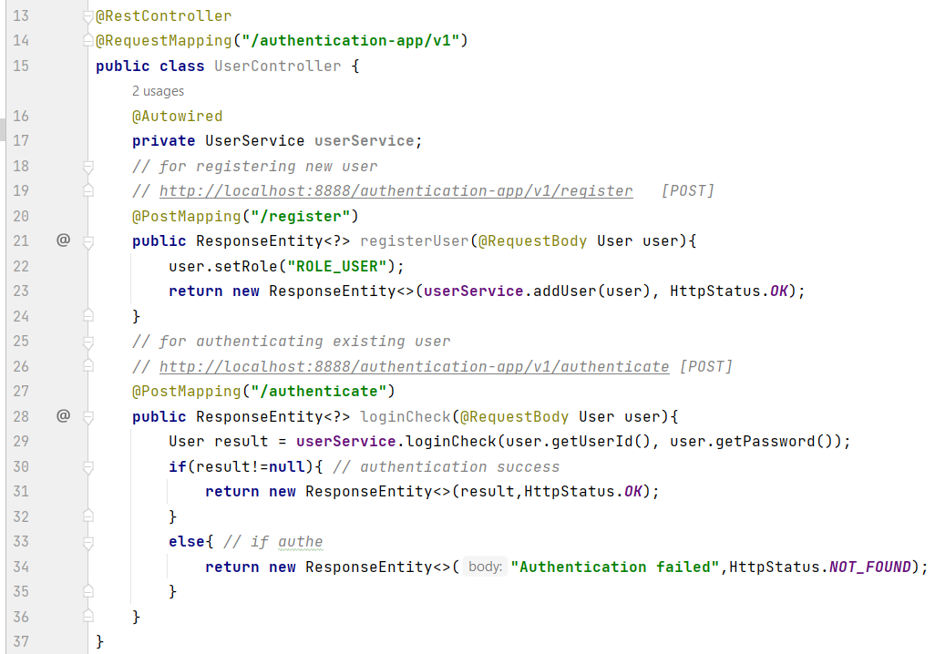

6 | edit application properties

Register process in postman
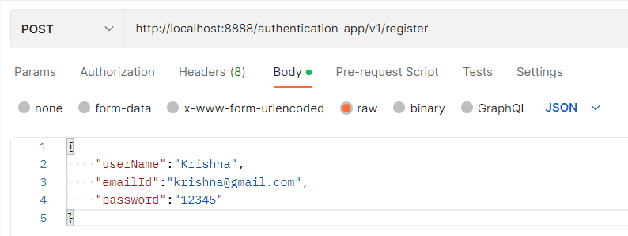

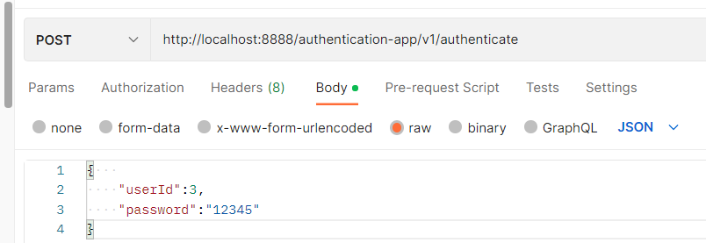
login check process in postman

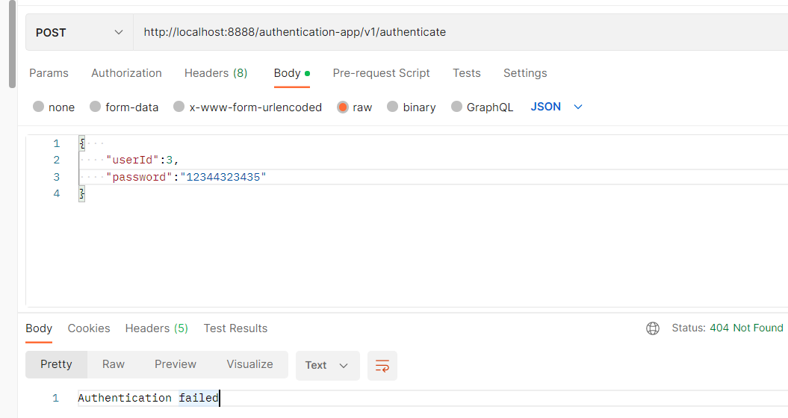

controller
login check () {
authenticating by using userservice.loginCheck();
generate token by using generatejwtservice.generate()
}
services package
UserService (interface + class )
GenerateJwtService(interface + class)
 | add JWT generating logic if login success case
 | return response as JWT token

7 | Define Generate JWT token service
 | define login to generate token based on received user object
 |  | add dependency in pom

 |  |  | io.jsonwebtoken
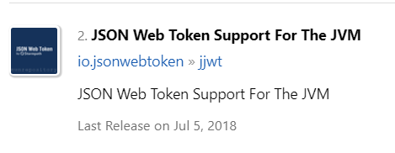

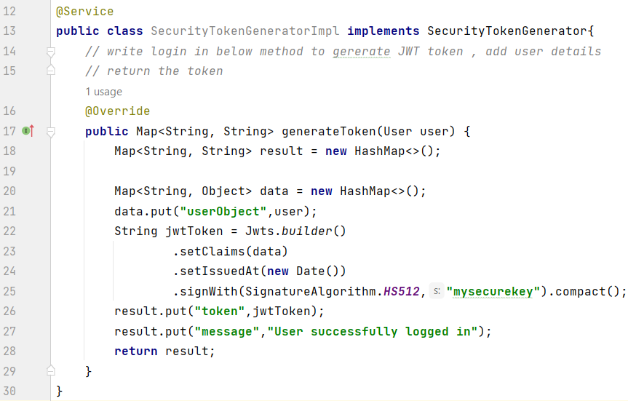

8 | Modify controller authenticate method
 |  | give response as JWT if authentication is success

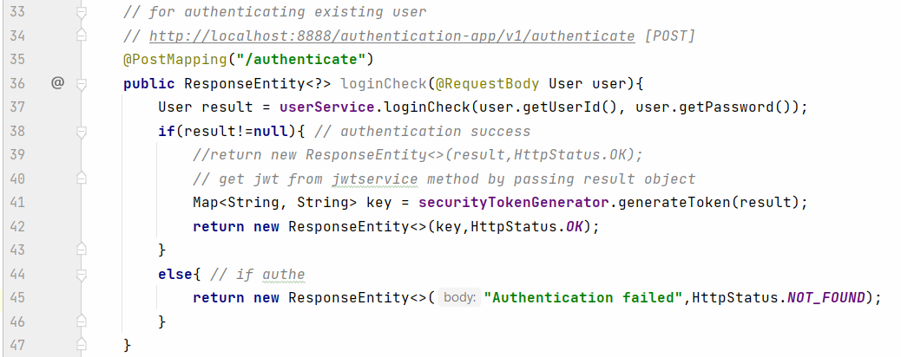

 | Steps to enable intercepting in app 2

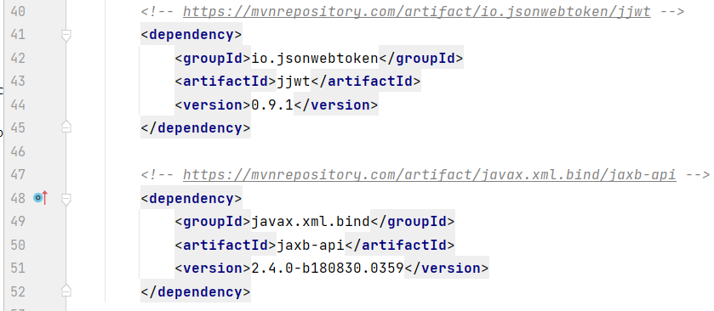
step 1 | make sure existing mongo application is working
 | demo1
 |  | add dependency

step 2 | identify which URLs to be intercepted [RESTAPI End points]
 |  | intercepted
 |  | http://localhost:9999/customerapp/v1/register-customer

 |  | not intercepted
 |  | other all urls
 |  | http://localhost:9999/customerapp/v1/get-customers
 |  | http://localhost:9999/customerapp/v1/get-customer-by-id/CUST00001
 |  | http://localhost:9999/customerapp/v1/get-customers-by-city/Chennai

 |  |  | to auto generate the setters and getters, tostring , equals
 | <dependency>
 | <groupId>org.projectlombok</groupId>
 | <artifactId>lombok</artifactId>
 | <optional>true</optional>
step 3 | </dependency>
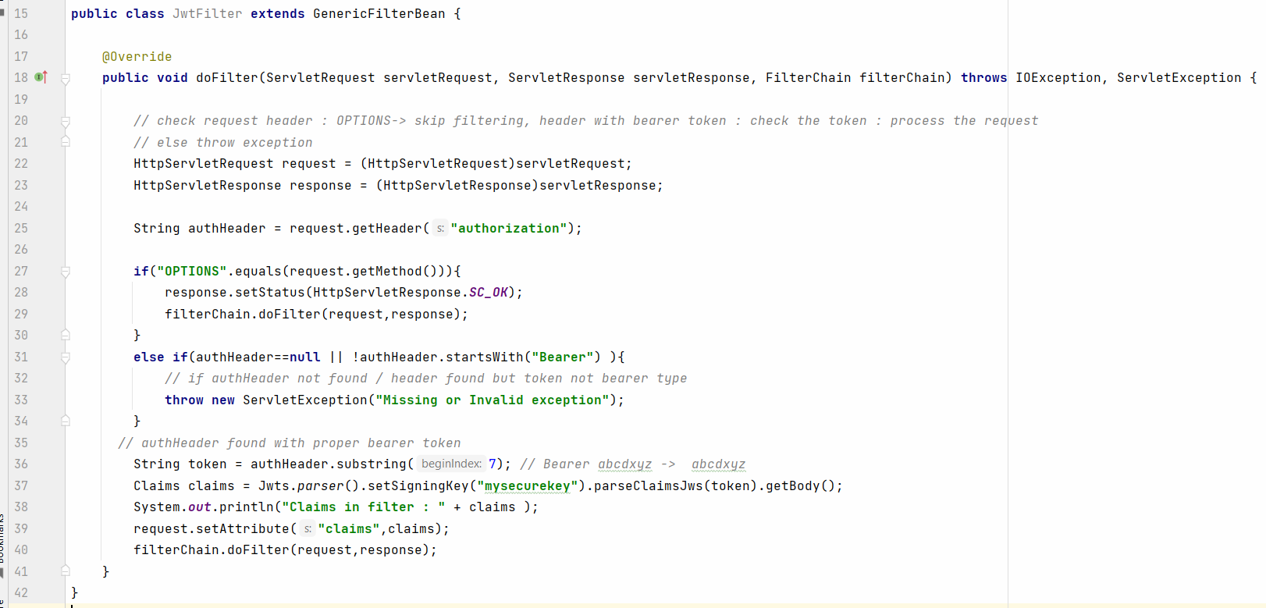

step 4 | Load filter as bean by adding intercepted URLs info
 | in main()
 |  |  | intercepted
 |  |  | http://localhost:9999/customerapp/v1/register-customer
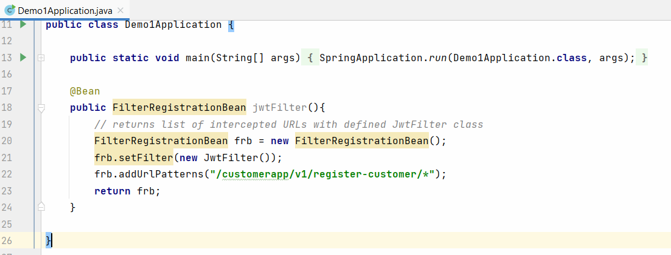

 | How to check

 | App2
 | http://localhost:9999/customerapp/v1/register-customer
 |  | above request not allowed without valid token

 | http://localhost:9999/customerapp/v1/get-customers
 | http://localhost:9999/customerapp/v1/get-customer-by-id/CUST00001
 | http://localhost:9999/customerapp/v1/get-customers-by-city/Chennai

 | How to check complete flow

step 1 | App1
 | singup as new user
 | POST
 | http://localhost:8888/authentication-app/v1/register
{
"userName":"Krishna",
"emailId":"krishna@gmail.com",
"password":"12345"
}

 | make sure account created in mysql
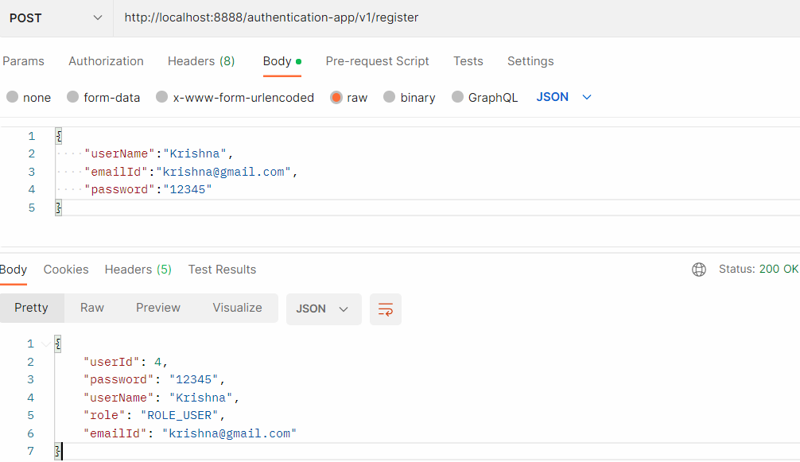

step 2 | App1
 | login as existing user |  |  | userId | 4
 |  |  |  | password | 12345
 | POST
 | http://localhost:8888/authentication-app/v1/authenticate
{
"userId":4,
"password":"12344323435"
}

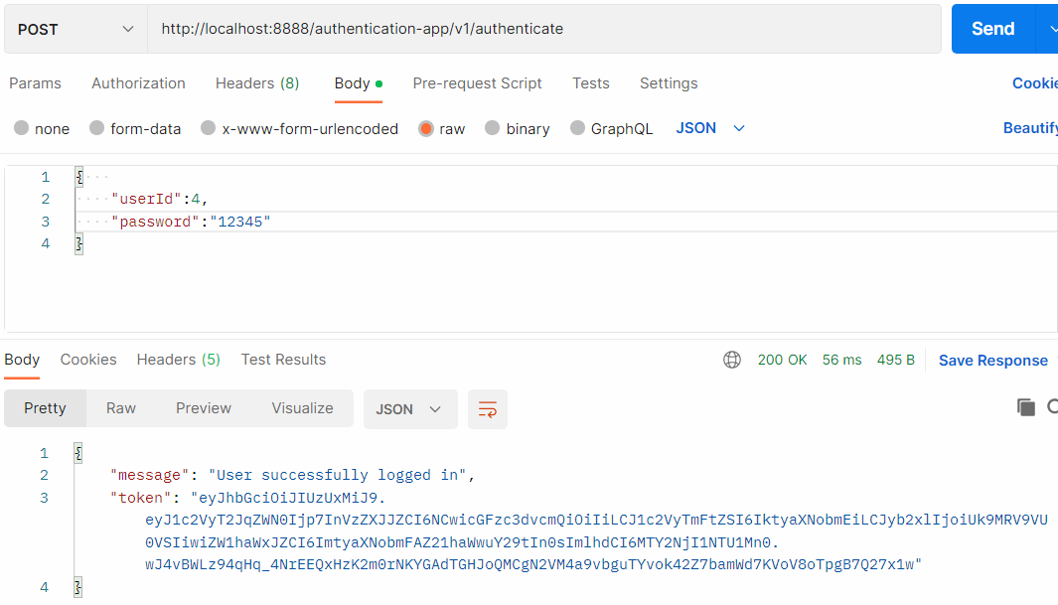

 | copy the token paste in notepad

step 3 | App2 | check intercepted URL by adding token in request auth header

 | POST
 | http://localhost:9999/customerapp/v1/register-customer
 | Intercepted
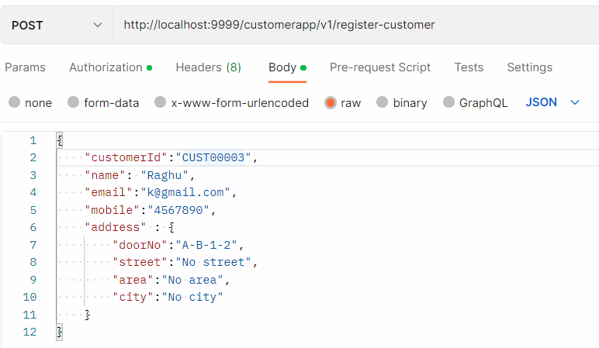

 | Make sure request processed

